Final image - KPI
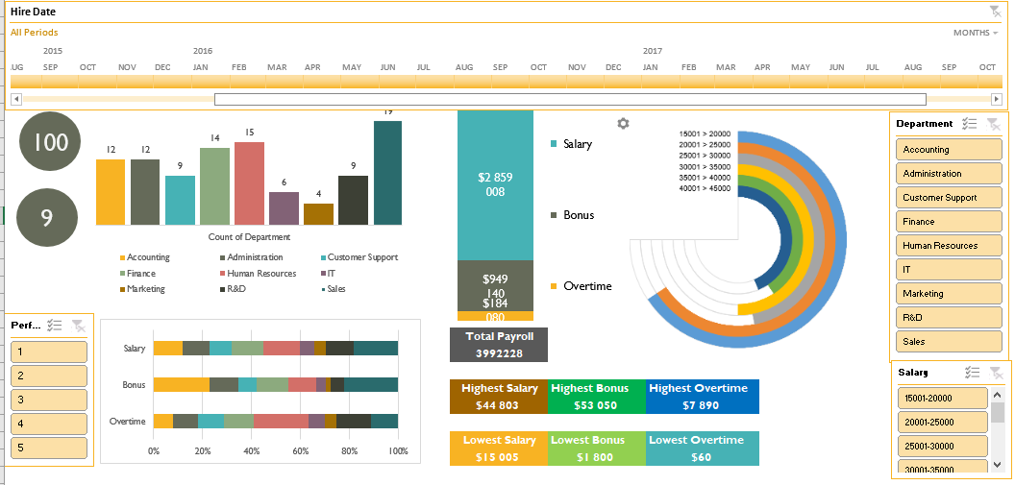

Task_Dashboard
 | Overtime | Bonus | Salary
Total | $184,080 | $949,140 | $2,859,008
Count of in Salary range
 | Total
15001-20000 | 21
20001-25000 | 21
25001-30000 | 15
30001-35000 | 16
35001-40000 | 13
40001-45000 | 14
100
Count of in Salary range
 | 40001-45000 | 35001-40000 | 30001-35000 | 25001-30000 | 20001-25000 | 15001-20000
Count of Salary | 14 | 13 | 16 | 15 | 21 | 21
A | 17.5 | 18.5 | 15.5 | 16.5 | 10.5 | 10.5
Count of Employees
Count of Department
 | Total
Accounting | 12
Administration | 12
Customer Support | 9
Finance | 14
Human Resources | 15
IT | 6
Marketing | 4
R&D | 9
Sales | 19

9
Count of Departments

 | Accounting | Administration | Customer Support | Finance | Human Resources | IT | Marketing | R&D | Sales
Salary | 334,869 | 321,997 | 256,084 | 372,448 | 418,886 | 172,425 | 139,769 | 323,544 | 518,986
Bonus | 216,260 | 112,050 | 71,890 | 123,240 | 105,640 | 37,230 | 19,170 | 52,650 | 211,010
Overtime | 14,360 | 19,080 | 19,220 | 22,580 | 41,200 | 12,100 | 8,700 | 26,620 | 20,220
$3,992,228
Total Payroll

$44,803
Highest Salary
$53,050
Highest Bonus
$7,890
Highest Overrtime

$15,005
$1,800
$60
Lowest Salary
LowestBonus
Lowest Overtime

